Veterans Expwy (MP 3-13)
Veterans Expressway

Interchange | Segment | Free Flow Speed |  | Station | Distance |  |  | # of Lanes |  |  |  |  | # of Lanes |  | LOS E/Ln (QLOS_Table 7) |  | Aux Lane Capacity | Capacity (HCS) |  | Mile Posts |  |  |  | DHT % | fhv
 |  | GUL | XL |  | XL (SB) | GUL | XL (NB) | GUL | XL |  |  |  | GUL | XL | GUL (DHT = 3%) | XL (DHT = 0%) |  | GUL | XL (DHT = 0%) | SLD |  |  |  | 0 | 1
 |  |  |  |  |  |  |  |  |  | To Suncoast Parkway |  |  |  |  |  |  |  |  |  |  |  |  |  | 2 | 0.99
 |  |  |  |  |  |  |  |  |  |  |  |  |  |  |  |  |  |  |  |  |  |  |  | 3 | 0.985
 |  |  |  |  |  |  |  |  |  |  |  |  |  |  |  |  |  |  |  |  |  |  |  | 4 | 0.98
13 - Suncoast |  | 65 | 70 | 1749 | 1.45 | 1.70 | 1.45 |  |  |  |  |  |  |  |  |  |  |  |  | 12.250
 |  |  |  |  |  |  |  |  |  |  |  |  |  |  |  |  |  |  |  |  |  | 2009 | GUL = 65 FFS
 |  |  |  |  |  |  |  |  |  |  |  |  |  |  |  |  |  |  |  |  |  | QLOS Table | Veterans |  | XL | Free Flow Speed
 |  |  |  |  |  |  |  | 3 |  |  |  |  | 3 |  | 2,030 |  |  | 6,100 | 1,850 |  | DHT% | 4% | 3% | 2% | 0% |  | LOS D (pcphpl) |  |  | Capacity (pcphpl)
 |  |  |  |  |  |  |  |  |  | XLMiles | XLMiles |  |  |  |  |  |  |  |  | 10.870 | # Lanes | Capacity |  |  |  | (mph) | Continuous | Barrier 1 | Barrier 2 | Continuous | Barrier 1* | Barrier 2
12 - Hutchison Rd. | 3 |  |  | 1659 | 0.26 |  | 0.26 |  |  |  |  |  |  |  |  |  |  |  |  |  | 2 | 4,020 | 3,960 | 4,060 | 4,100 | 55 | 1,550 | 1,550 | 1,750 | 1,550 | 1,700 | 1,900
 |  |  |  |  | 2.86 | 1.04 | 2.86 |  |  |  |  |  |  |  |  |  |  |  |  | 10.350 | 3 | 6,200 | 6,100 | 6,260 | 6,330 | 60 | 1,600 | 1,600 | 1,800 | 1,600 | 1,750 | 1,950
 |  |  |  |  |  |  |  |  |  |  |  |  |  |  |  |  |  |  |  |  | 4 | 8,400 | 8,270 | 8,490 | 8,570 | 65 | 1,650 | 1,650 | 1,850 | 1,650 | 1,800 | 2,000
 |  |  |  |  |  |  |  |  |  |  |  |  |  |  |  |  |  |  |  |  | 5 | 10,580 | 10,410 | 10,690 | 10,800 | 70 | 1,700 | 1,700 | 1,900 | 1,700 | 1,850 | 2,050
 |  |  |  |  |  |  |  |  |  |  |  |  |  |  |  |  |  |  |  |  | 6 | 12,780 | 12,580 | 12,910 | 13,040 | 75 | 1,750 | 1,750 | 1,950 | 1,750 | 1,900 | 2,100
 |  |  |  |  |  |  |  |  |  |  |  |  |  |  |  |  |  |  |  |  | Aux | 1000 | 1000
11 - SUGARWOOD PLAZA |  |  |  | 1604 |  |  |  | 3 | 1 | 4.14 |  | 4.14 | 3 | 1 | 2,030 | 1,850 |  | 6,100 | 1,850 | 9.527
 |  |  |  |  |  | 0.89
 |  |  |  |  |  |  |  |  |  |  |  |  |  |  |  |  |  |  |  |  |  | HCS
 |  |  |  |  |  |  |  |  |  |  |  |  |  |  |  |  |  |  |  |  |  | FFS = 70 | FFS = 65
 |  |  |  |  |  |  |  |  |  |  |  |  |  |  |  |  |  |  |  |  | DHT% | 3% | 3% | Ratio
10 - Ehrlich Ave. |  |  |  | 1557 |  |  |  |  |  |  |  |  |  |  |  |  |  |  |  | 8.914 | # Lanes | Capacity
 |  |  |  |  |  | 0.93 |  |  |  |  |  |  |  |  |  |  |  |  |  | 8.467 | 2 | 4,493 | 4,399 | 0.979
 |  |  |  |  |  |  |  |  |  |  |  |  |  |  |  |  |  |  |  |  | 3 | 6,740 | 6,599 | 0.979
 |  |  |  |  |  |  |  | 3 | 1 |  |  |  | 3 | 1 | 2,030 | 1,850 |  | 6,100 | 1,850 |  | 4 | 8,987 | 8,799 | 0.979
 |  |  |  |  |  |  |  |  |  |  |  |  |  |  |  |  |  |  |  |  | 5 | 11,233 | 10,999
9 - Gunn Hwy. |  |  |  | 1508 |  |  |  |  |  |  |  |  |  |  |  |  |  |  |  | 7.891 | 6
 |  |  |  |  | 0.68 | 1.02 | 0.68 |  |  |  |  |  |  |  |  |  |  |  |  | 7.510
(toll distance split) |  |  |  |  | 0.34 |  | 0.34
 |  |  |  |  | 0.34 |  | 0.34 |  |  |  |  |  |  |  |  |  |  |  |  |  | 2009 QLOS - DRAFT
8 - Wilsky Blvd. | 2 |  |  |  | 0.68 | 0.68 | 0.68 |  |  |  |  |  |  |  |  |  |  |  |  | 6.200 | FREEWAYS
 |  |  |  | 1418 |  |  |  |  |  |  |  |  |  |  |  |  |  |  |  |  | Lanes | B | C | D | E
7 - Linebaugh Ave. |  |  |  |  | 3.20 | 1.50 | 3.01 |  |  |  |  |  |  |  |  |  |  |  |  | 5.700 | 2 | 2,200 | 3,020 | 3,720 | 4,020
 |  |  |  |  |  |  |  |  |  |  |  |  |  |  |  |  |  |  |  |  | 3 | 3,300 | 4,580 | 5,580 | 6,200
 |  |  |  |  |  |  |  |  |  |  |  |  |  |  |  |  |  |  |  |  | 4 | 4,400 | 6,080 | 7,420 | 8,400
 |  |  |  |  |  |  |  |  |  |  |  |  |  |  |  |  |  |  |  |  | 5 | 5,500 | 7,680 | 9,320 | 10,580
6 - ANDERSON PLAZA |  |  |  | 1339 |  |  |  | 3 | 1 | 6.00 |  | 4.22 | 3 | 1 | 2,030 | 1,850 |  | 6,100 | 1,850 | 4.469 | 6 | 7,560 | 10,220 | 12,080 | 12,780
 |  |  |  |  |  | 0.45
6B - Anderson Rd. |  |  |  | 1338 |  |  |  |  |  |  |  |  |  |  |  |  |  |  |  | 4.457
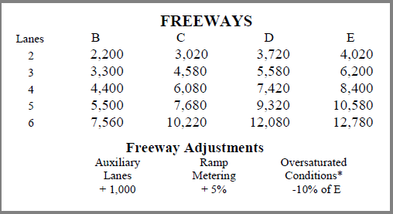

 |  |  |  |  |  |  |  | 3 | 1 |  |  |  | 3 | 1 | 2,030 | 1,850 |  | 6,100 | 1,850

6A - Waters Ave. |  |  |  | 1315 |  |  |  |  |  |  |  |  |  |  |  |  |  |  |  | 4.220
 |  |  |  |  |  | 2.03 |  |  |  |  |  |  |  |  |  |  |  |  |  | 3.830

 |  |  |  |  |  |  |  | 3 | 1 |  |  |  | 3 | 1 | 2,030 | 1,850 |  | 6,100 | 1,850
 |  |  |  |  |  |  | 0.19
 | 1 |  |  |  | 0.78 |  | 1.78 |  |  |  |  |  |  |  |  |  |  |  |  | 2.228
4 - Hillsborough Ave. |  |  |  | 1208
 |  |  |  |  | 0.81 | 1.00 |  |  |  |  |  |  |  |  |  |  |  |  |  | 1.650

 |  |  |  |  |  |  |  | 4 | 1 |  |  |  |  |  | 1,770
 |  |  |  |  |  |  |  |  |  |  |  |  | 5 | 0 | 1,850 | #DIV/0! | 1,000 | 8,270 | 1,850
 |  |  |  |  |  |  |  | cap.
3 - Memorial Hwy. |  |  |  | 1155 | 0.19 |  |  | 2140 |  |  |  |  |  |  |  |  |  |  |  | 1.060

 |  |  |  |  |  |  |  |  |  | To Tampa Int'l Airport & I-275

Check/total distance |  |  |  | 11.25 | 10.28 | 11.25 | 11.25
 |  |  |  |  | SB |  | SB
 |  |  |  | from hutchison | 10.14 | 9.55 | 10.14

Veterans Expwy. (OD example)
Veterans Expressway Express Lanes
Toll Plan

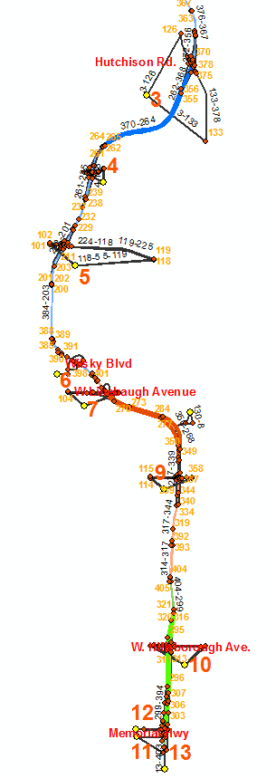
Milepost - Description | Zone
 |  | To Suncoast Parkway

 | 1, 2
13 - Suncoast |  |  |  |  | Jeff, It is rather difficult to portray an example with only a two segment project so I outlined three segments in the attached. I think the discussion we are attempting to provide an example of is something like SB from zone 1,2 to 11,12 (which represent south of the green segment 1, south of memorial hwy). A driver has the choice of entering the XL at Hutchison or using the GU until Wilsky. Alternatively, a driver could enter at Hutchison and exit at Linebaugh OR south of Memorial. OR, the driver may chose to traverse ALL 3 segments. Each of the 3 segments could have a different “premium toll charge”.

12 - Hutchison Rd. | 3

 |  |  | Seg.
11 - SUGARWOOD PLAZA |  |  | 3

10 - Ehrlich Ave. | 4

9 - Gunn Hwy. | 5

8 - Wilsky Blvd. | 6

7 - Linebaugh Ave. | 7

6B - Anderson Rd. | 8

6 - ANDERSON PLAZA |  |  | Seg.
 |  |  | 2
6A - Waters Ave. | 9

 |  |  | Seg.
4 - Hillsborough Ave. | 10 |  | 1

3 - Memorial Hwy. | 11,12

 |  | To Tampa Int'l Airport & I-275
 |  |  |  | 13

